week1
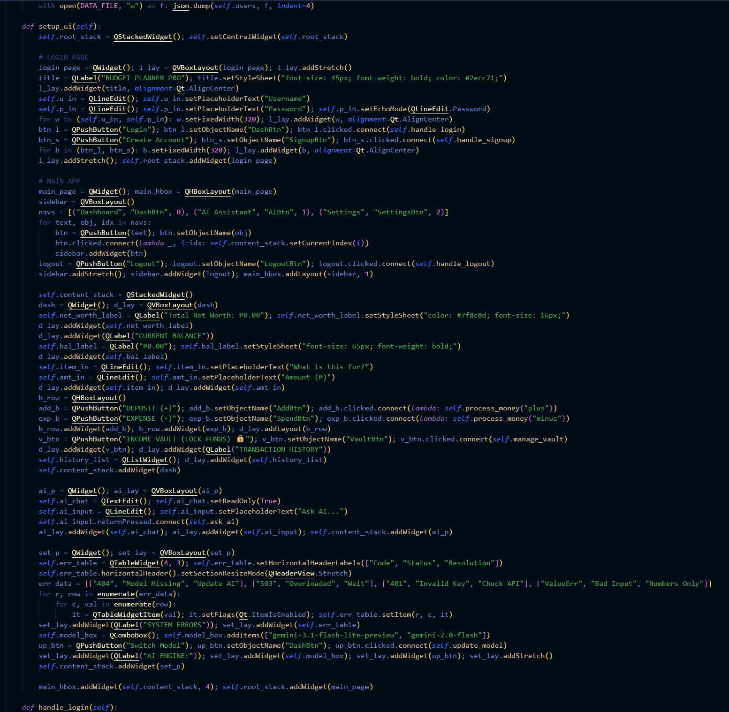
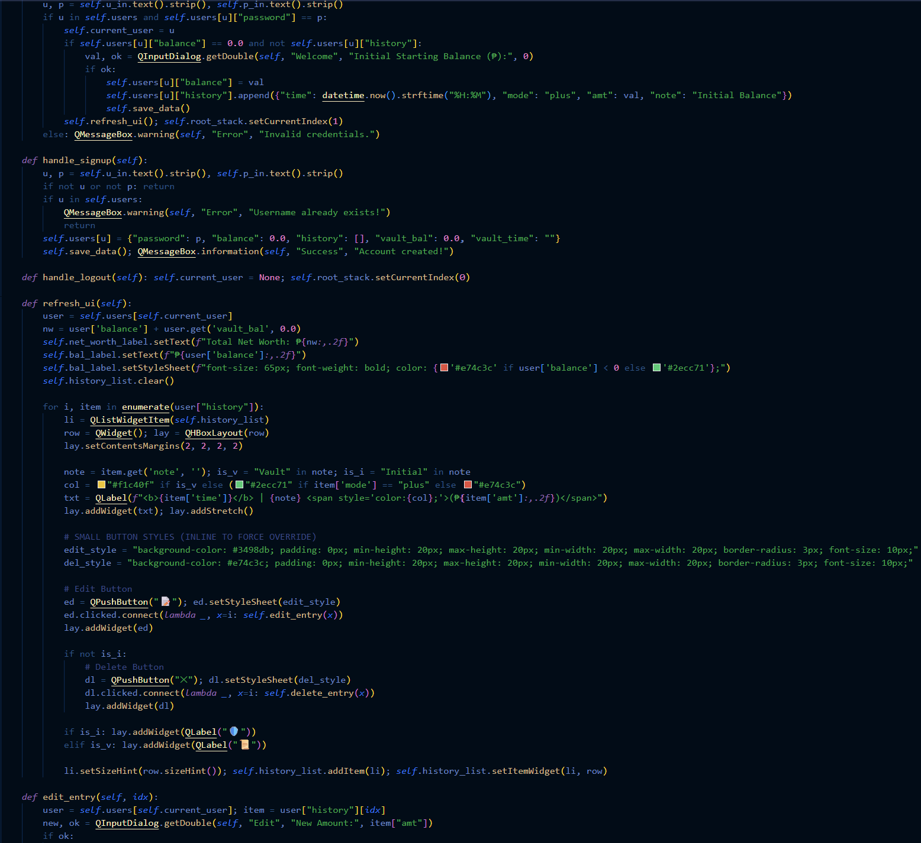
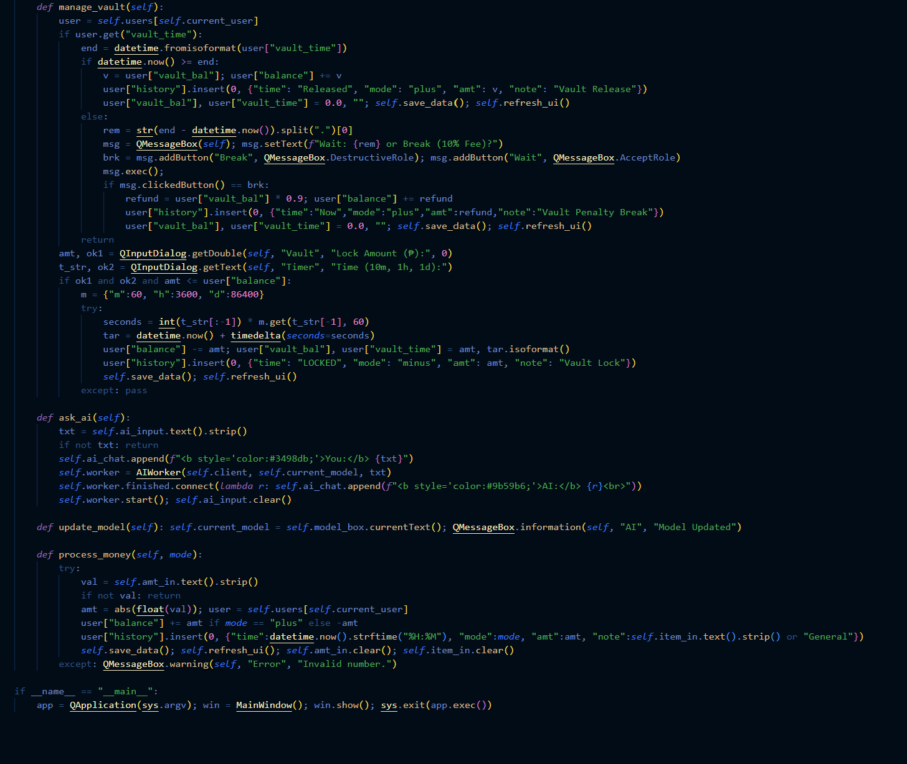
Computer Science 2 Project | Team Members: | Zian Relon
Group Progress Report |  | Caiden Alava
4th Quarter

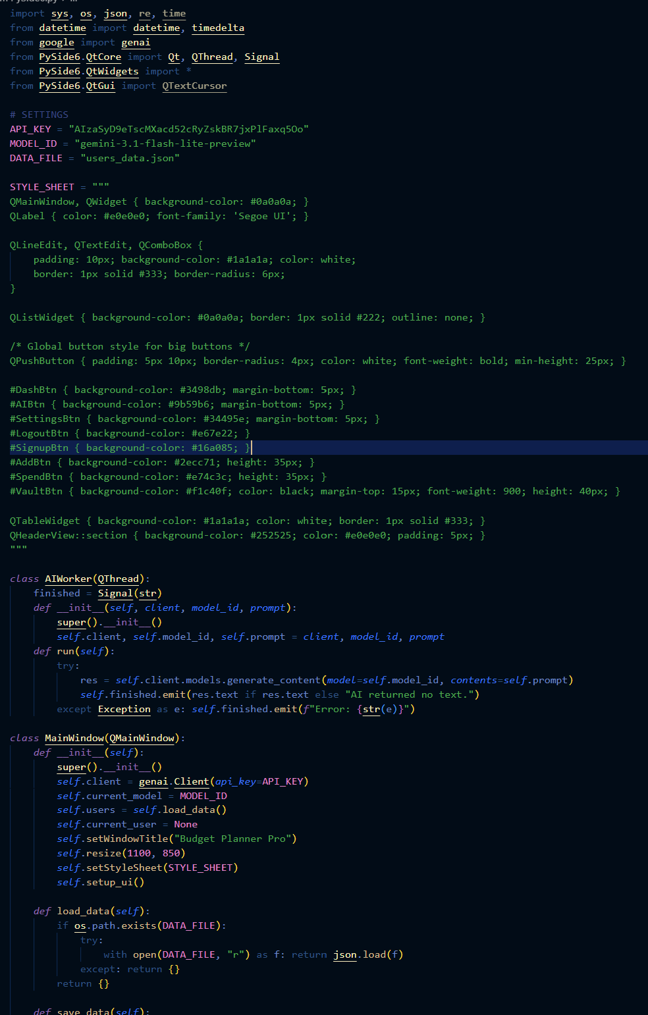
Week 9 - Apr 10, 2026
GOAL State your goal for the Week | DATA COLLECTED State/list the data collected relevant to your project | PROGRESS State the progress you have made so far by the end of the week
add the features | none | Updated UI
 |  | Added Settings
 |  | Added edit/delete history
 |  | Added net worth
 |  | Added not being able to make 2
 |  | accounts with the same name
STRENGTH
Decent Coding skills
Researching
Ability to work well with each other

AREAS FOR DEVELOPMENT
Coding skills

STRATEGY FOR SUCCESS
Practice coding
Time management
Communication
Research
Patience

